Client's Requirement
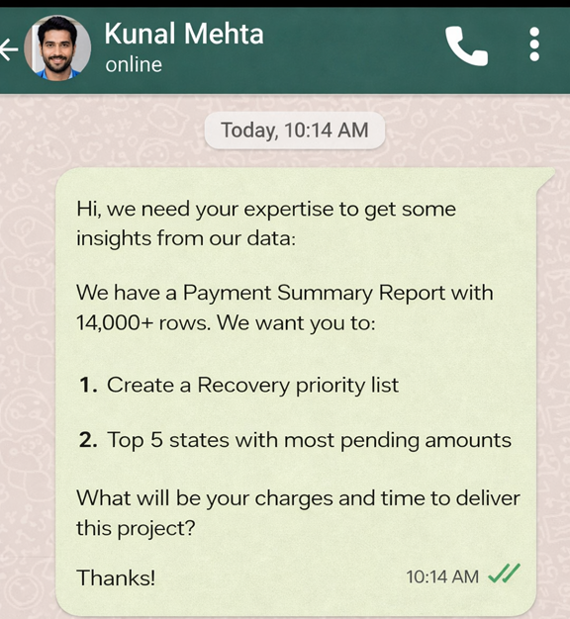

Client's Requirement

Top 5 States Pending Amount
Status | Pending

Row Labels | Sum of Amount
Uttar Pradesh | 292140724.15
Punjab | 249168651.7
Tamil Nadu | 206526433.8
Madhya Pradesh | 193297659.51
Karnataka | 191126173.5
Grand Total | 1132259642.7

